Theory
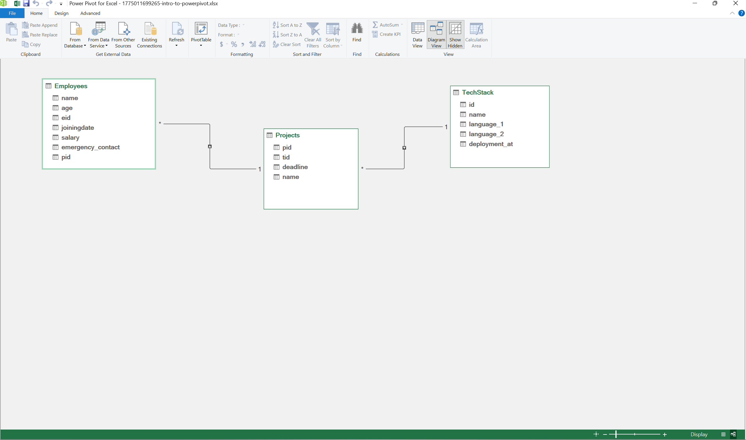
Creating Data Models in PowerPivot
A data model in Excel lets you connect multiple tables using relationships so you can analyze them together without merging everything into one sheet. Instead of building one large dataset, you keep tables separate and link them using common columns like IDs.

This keeps data organized, reduces duplication, and makes analysis faster.

Example Structure
Let's say you have three tables

Employees Contains employee details and a Project ID (PID)

Projects Contains project details and a Text Tag ID (TID)

Text Tag Contains technology or tag details

These tables are connected as follows

Employees → Projects using PID
Projects → Text Tag using TID
Why Use IDs for Relationships?
IDs act as stable connectors between tables.

Instead of repeating texts in multiple places, you store it once and refer to it using an ID like T001. This improves consistency, avoids typos, and keeps relationships reliable.

Where to Create Relationships in PowerPivot
PowerPivot Tab → Manage → Diagram View
Creating the Data Model
Ensure each table has a unique identifier (PID, TID).

Go to the PowerPivot tab in Excel.

Click Manage.

Switch to Diagram View.

Create relationships by dragging

Employees[PID] → Projects[PID]
Projects[TID] → Text Tag[TID]
Once connected, Excel treats these tables as a single data model.

Example Data
Employees Table
EmpID Name PID
E001 Rohan P001
E002 Aman P002
E003 Neha P001
E004 Priya P003
Projects Table
PID Project Name TID
P001 Website Development T001
P002 Mobile App T002
P003 Data Dashboard T003
Text Tag Table
TID Technology
T001 Python + HTML
T002 Flutter
T003 Power BI
How the Relationship Works
Each table links step by step

Rohan → PID P001
P001 → Website Development → T001
T001 → Python + HTML
This chaining allows Excel to fetch related data across tables without merging them.

What You Can Do with This
You can now create a PivotTable using fields from all three tables. For example, you can directly see

Employee → Project → Technology
All of this works because the relationships connect the tables behind the scenes. This is the power of data modeling in PowerPivot!

